Floating Whatsapp
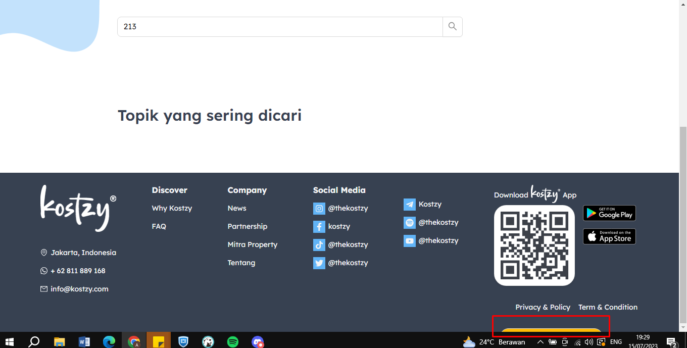
 | Summary
 | SCENARIO PROGRESS |  | TOTAL PERCENT |  |  |  |  | Failed | To Be Executed
 | # Test Scenario : | 1 |  |  |  |  |  | Passed | Completed
 | # Completed : | 1 | % Completed : | 100% |  |  |  | Blocked | Change Request
 | # Passed : | 1 | % Passed : | 100% |  |  |  |  | After Go Live
 | # Failed : | 0 | % Failed : | 0% |  |  |  |  | Dropped
 | # To Be Executed : | 0 | % To Be Executed : | 0%
 | # Blocked : | 0 | % Blocked : | #DIV/0!
 | # Non Blocked : | 0 | % Non Blocked : | #DIV/0!
 | # ChangeRequest : | 0 | % ChangeRequest : | 0%

Test ID | Name | Test Description | Data | Expected Result | Actual Result | Condition | Status | Test Date | Remark | Scenario By | Tested By
T01.05 | Web Public - Floating Whatsapp
 | UI Case
T01.05.01 | Cek Floating Whatsapp | """Precondition : Browser : https://kostzy.festiware.com/ Start : 1. Home 2. Klik Floating App |  | Dapat dilakukan Redirect ke whatsapp Muncul disemua page |  | Completed | Passed | 15-Jul-23 | Ketutup di layar laptop resolusi 14 ins

